Summary Page
CRF County Expense Reporting Document
The County Expense Reporting Document is for reporting costs a county and its subrecipients wish to submit for CRF support to date. All spending must meet the federal requirements illustrated in the CARES Act. Specific line item expenses should be listed in the 'Expenses Report - COUNTY' and 'Expenses Report - EXTERNAL', Transfers K-12 and Grant Programs tabs. This Summary Page contains four sections the county must complete:
1. County Info & Signature: These boxes have basic information on the county, including the county name, primary contact information for correspondence relating to expense reporting, and a signature by a county's designated authorized signer.
2. Funding Overview Reporting Tool: This section should report the total expenses previously allocated, currently allocated, expended in the current reporting period, and expended to date by:
- Total County Allocation: The portion of CRF allocated to the county
- Direct County Expenditures: Any expenses incurred directly by the county
- Proposed Program Costs: Expenses associated with implementing proposed programs
- Transfers: Expenses by subrecipients of funds allocated by the County (cities, direct transfers to non-profits, schools, taxing authorities and other related entities)
3. Monthly Spending Planning Estimation Tool: This section shows actual monthly spending against the original spending plan a county submitted in its direct aid plan. This reporting shows how the county plans to spend its reported expenditures within the covered period of March 1, 2020 to December 30, 2020. Any unreconciled funds reported in this or the previous section should be resolved by the county prior to submission.

Reporting Guidance: Expense Reporting Documents must be submitted by close of business on the reporting period via the submission portal on the covid.ks.gov website.
County Info

Question | Response
County
Primary Contact Name
Primary Contact Email

Signature

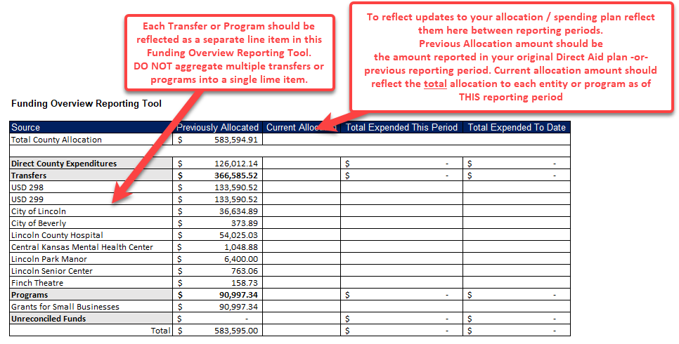
Signature
Name
Title
Date

Funding Overview Reporting Tool

Source | Previously Allocated | Current Allocation | Total Expended This Period | Total Expended To Date
Total County Allocation | $-

Direct County Expenditures | $- | $- | $- | $-
Transfers | $- | $- | $- | $-
[Transfer 1]
[Transfer 2]
Programs | $- | $- | $- | $-
[Program 1]
[Program 2]
Unreconciled Funds | $- | $- | $- | $-
Total | $- |  | $- | $-

Monthly Spending Planning Estimation Tool

Source | Estimated** |  | Actual
Total Planned Expenses
March-July
August
September
October
November
December
January 2021
February 2021
March 2021
June 2021
Unreconciled Funds | $-
*If funds are provided to a sub-recipient, use the date when funds are provided to that sub-recipient
** Estimated values should be consistent with originally supplied and State reviewed Direct Aid Plan

County Expenditure Summary

Reporting period: |  | March 1 - September 30, 2020
Cash on hand at the beginning of period: |  | $-
Total Expenditures & Transfers this period |  | $-
Cash on hand at the close of the period: |  | $-

Resources Overview
CRF County Expense Reporting Document
Overview:
Counties receiving funds must comply will all reporting schedules and requirements. Reports must be submitted, utilizing the provided templated, to the Office of Recovery via the online submission portal. Each report should include:
1. Summary Page
2. Expenses Report - County Expenses Only
3. Expenses Report - External Entities
4. Transfers K-12
5. Grant Programs
Summary Page - The Summary Page tab provides a brief summary of expenditures within the reporting period, as well as an estimated monthly expenditure plan, and must be completed prior to report submission. The Summary Page must be certified via signature by a county’s designated authorized signer.
Expenditure Report - COUNTY - All expenditures made by a county during the reporting period must be included in this section.
Reimbursement Report - EXTERNAL - All expenditures made by subrecipients during the reporting period must be included in this section
A few things to note:
Expenditures for this report can only be recorded as either COUNTY or EXTERNAL.
COUNTY is only for expenses associated with the county itself.
EXTERNAL is for any expense reported by a non-county entity.
It is important to categorize expenditures appropriately and consistently by ‘Expenditure Category’ to sustain transparency within the reporting process. The Office of Recovery and the State Finance Council will review data to see trends in how CRF was spent in different counties across the state. A comprehensive list of categories, sub-categories, and expenditure codes, can be found in the ‘Resources: Expenditure Categories’ tab of this file.
Transfers K-12 - Allocations and reconciliation of expenditures in defined categories for K-12 schools and school districts.
Grant Programs - Grant Program Details and reconciliation of payments in defined categories
Federal Guidance:
Below is summarized notes from The Department of Treasury on CRF Reporting and Record Retention Requirements
Recipients should consult Treasury’s guidance and Frequently Asked Questions in reporting costs incurred during the period March 1 through December 30, 2020. The total of all categories must equal the total of all costs incurred during that period. A spreadsheet is attached for your use in providing the data.
Record Retention Requirements:
Recipients of Coronavirus Relief Fund payments shall maintain and make available to the Treasury Office of Inspector General (OIG) upon request all documents and financial records sufficient to establish compliance with subsection 601(d) of the Social Security Act, as amended, (42 U.S.C. 801(d)), which provides (d) USE OF FUNDS.—A State, Tribal government, and unit of local government shall use the funds provided under a payment made under this section to cover only those costs of the State, Tribal government, or unit of local government that—
1. are necessary expenditures incurred due to the public health emergency with respect to COVID-19;
2. were not accounted for in the budget most recently approved as of the date of enactment of this section for the State or government; and
3. were incurred during the period that begins on March 1, 2020, and ends on December 30, 2020.
Records to support compliance with subsection 601(d) may include, but are not limited to, copies of the following:
1. general ledger and subsidiary ledgers used to account for (a) the receipt of Coronavirus Relief Fund payments and (b) the disbursements from such payments to meet eligible expenses related to the public health emergency due to COVID-19;
2. budget records for 2019 and 2020;
3. payroll, time records, human resource records to support costs incurred for payroll expenses related to addressing the public health emergency due to COVID-19;
4. receipts of purchases made related to addressing the public health emergency due to COVID-19;
5. contracts and subcontracts entered into using Coronavirus Relief Fund payments and all documents related to such contracts;
6. grant agreements and grant subaward agreements entered into using Coronavirus Relief Fund payments and all documents related to such awards;
7. all documentation of reports, audits, and other monitoring of contractors, including subcontractors, and grant recipient and subrecipients;
8. all documentation supporting the performance outcomes of contracts, subcontracts, grant awards, and grant recipient subawards;
9. all internal and external email/electronic communications related to use of Coronavirus Relief
10. all investigative files and inquiry reports involving Coronavirus Relief Fund payments.
Records shall be maintained for a period of five (5) years after final payment is made using Coronavirus Relief Fund monies. These record retention requirements are applicable to all prime recipients and their grantees and subgrant recipients, contractors, and other levels of government that received transfers of Coronavirus Relief Fund payments from prime recipients.
County's Reporting Timeline:
October 7, 2020: 2nd reconciliation of CRF due.
Reporting Period: March 1, 2020 - September 30, 2020
November 10, 2020: 3rd reconciliation of CRF due.
Reporting Period: October 1, 2020 - October 31, 2020
December 10, 2020: 4th reconciliation of CRF due.
Reporting Period: November 1, 2020 - November 30, 2020
December 30, 2020: Deadline for unspent funds to be returned to the State.
January 20, 2021: 5th and final reconciliation of CRF due.
Reporting Period: December 1, 2020 - December 31, 2020
All quarterly reports completed for March 1, 2020 - December 31, 2020.
*Subject to change dependent on federal guidance.
Recommended Reporting Timeline for Subrecipients to Counties:
***Suggested timeline below is provide so that municipalities/local entities that receive CRF transfers from county governments submit reports to the county with due time for the county to reconcile all reports prior to the report due date. This is a suggestion and can be altered in an agreement made between the county and municipalities.***
October 2, 2020: Subrecipients of counties submit expenditure reports to counties for second reconciliation.
November 6, 2020: Subrecipients of counties submit expenditure reports to counties for third reconciliation.
December 4, 2020: Subrecipients of counties submit expenditure reports to counties for fourth reconciliation.
January 15, 2021: Subrecipients of counties submit expenditure reports to counties for final reconciliation.

Resources Examples
Brief descriptions of each input required for "Expenditure Receipts Report" and "Transfers to Localities" tabs
Identify the type of entity associated with the expense | Name of the entity or program incurring the expense | Date Payment Issued | A group or entity benefiting from the purchase. For example, Emerald City bought laptops for city schools (beneficiary) through Dell (Vendor/Receiving Entity) | The tax ID of the goods/services provider (not required, but useful for internal tracking) | Amount paid to receiving entity for line item | Identify how the payment was made either by ACH, Check, Credit Card, or Wire Transfer | Voucher/Invoice # associated with transaction | Number of check or advice number of actual transaction | Types of activates the expenses cover | Details on how the submitted expense is used, including which items were purchased or projects were implemented | Explanation of how this expense responds to the COVID-19 pandemic | Primary contact job title | Primary contact phone number | Primary contact email address | Additional important information

Entity Type | Department/Entity | Payment Date | Vendor/Recipient Name | Vendor/Recipient Tax ID | Payment Amount | Payment Method | Voucher/ Invoice # | Check/Advice # | Expenditure Category | Expense Description | Nexus to COVID-19 | Contact Person Title | Contact Person Phone | Contact Person Email | Comments

K-12 Institution | USD 123 | 2020-09-15 | Dell | 12345678 | $51,538.74 | Credit Card | 34567890 | 90123456 | Facilitating Distance Learning | Purchase of 115 refurbished Dell laptops for USD 123 teachers to utilize towards teaching students from home | Since classes will be held virtually throughout most of the semester for social distancing measures, these laptops will allow teachers to educate their students safely from home through a distance learning model | Steve Rogers | (123) 456-7890 |  | Made efforts to ensure that this expense was cost reasonable by purchasing refurbished laptops
Municipality | City of Starling | 2020-09-15 | Starling Air & Cooling Systems | 56789012 | $25,000.54 | Check | 23456789 | 89012345 | Public Health Expenses | Retrofit of a HVAC system into the City building | Proper air ventilation inside buildings can help lower COVID-19 transmission through the air and, thus, contribute to the health and safety of both personnel and visitors | Oliver Queen | (345) 678-9012 |  | City building is very outdated with no HVAC system currently in place to help ventilate the air

Entity Type | Department/Entity | Payment Date | Vendor/Recipient Name | Vendor/Recipient Tax ID | Payment Amount | Payment Method | Voucher/ Invoice # | Check/Advice # | Expenditure Category | Expense Description | Nexus to COVID-19 | Contact Person Title | Contact Person Phone | Contact Person Email | Comments

Healthcare Institution | Bright Hospital | 2020-09-15 | Medical Supplies Co. | 123454321 | $123,439.23 | ACH | 12345678 | 78901234 | COVID-19 Testing and Contact Tracing | Purchase of COVID-19 testing kits to be used in the permanent hospital setting | Helps address and mitigate the impacts of the COVID-19 pandemic in our hospital by ensuring adequate testing resources are readily available for visitors | Peter Parker | (234) 567-8901 | Peter.Parker@BrightHospital.org | 1,000 testing kits for our hospital's monthly restock of COVID-19 inventory
Healthcare Institution | Bright Hospital | 2020-09-15 | Medical Supplies Co. | 123454321 | $123,439.23 | ACH | 12345679 | 78901234 | COVID-19 Testing and Contact Tracing | Purchase of COVID-19 testing kits to be used in the permanent hospital setting | Helps address and mitigate the impacts of the COVID-19 pandemic in our hospital by ensuring adequate testing resources are readily available for visitors | Peter Parker | (234) 567-8901 | Peter.Parker@BrightHospital.org | 1,000 testing kits for our hospital's monthly restock of COVID-19 inventory
Healthcare Institution | Bright Hospital | 2020-09-15 | Medical Supplies Co. | 123454321 | $123,439.23 | ACH | 12345680 | 78901234 | COVID-19 Testing and Contact Tracing | Purchase of COVID-19 testing kits to be used in the permanent hospital setting | Helps address and mitigate the impacts of the COVID-19 pandemic in our hospital by ensuring adequate testing resources are readily available for visitors | Peter Parker | (234) 567-8901 | Peter.Parker@BrightHospital.org | 1,000 testing kits for our hospital's monthly restock of COVID-19 inventory
Healthcare Institution | Bright Hospital | 2020-09-15 | Medical Supplies Co. | 123454321 | $123,439.23 | ACH | 12345681 | 78901234 | COVID-19 Testing and Contact Tracing | Purchase of COVID-19 testing kits to be used in the permanent hospital setting | Helps address and mitigate the impacts of the COVID-19 pandemic in our hospital by ensuring adequate testing resources are readily available for visitors | Peter Parker | (234) 567-8901 | Peter.Parker@BrightHospital.org | 1,000 testing kits for our hospital's monthly restock of COVID-19 inventory

Tip: Comment section provides opportunity to expand on expenditure description, receiving entity, and additional information.

